TestSummary
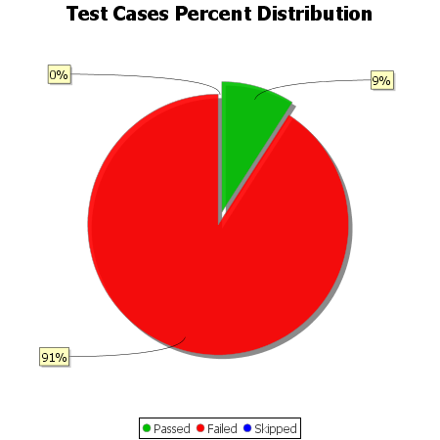
Total Test Cases | 33
Test Cases Passed | 3
Test Cases Failed | 30
Test Cases Skipped | 0

